Accessible PDF
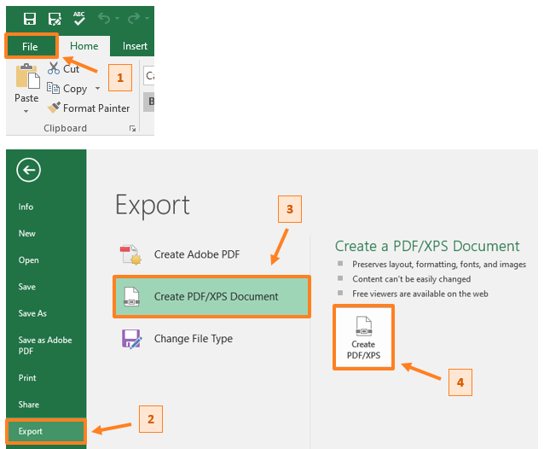
. | Creating an Accessible PDF from an Excel File
.
. | The following steps correspond to the numbered boxes in the image below these instructions
.
. | 1) | Go to the "File" tab of the Excel window
.
. | 2) | Select "Export" from the menu options listed in the leftmost column
.
. | 3) | Select "Create PDF/XPS Document" from the list of options in the middle column
.
. | 4) | Click the "Create PDF/XPS Document" button in the rightmost column
.
. | 5) | Choose the location where you want to save the document and name it appropriately

